1971 census--population
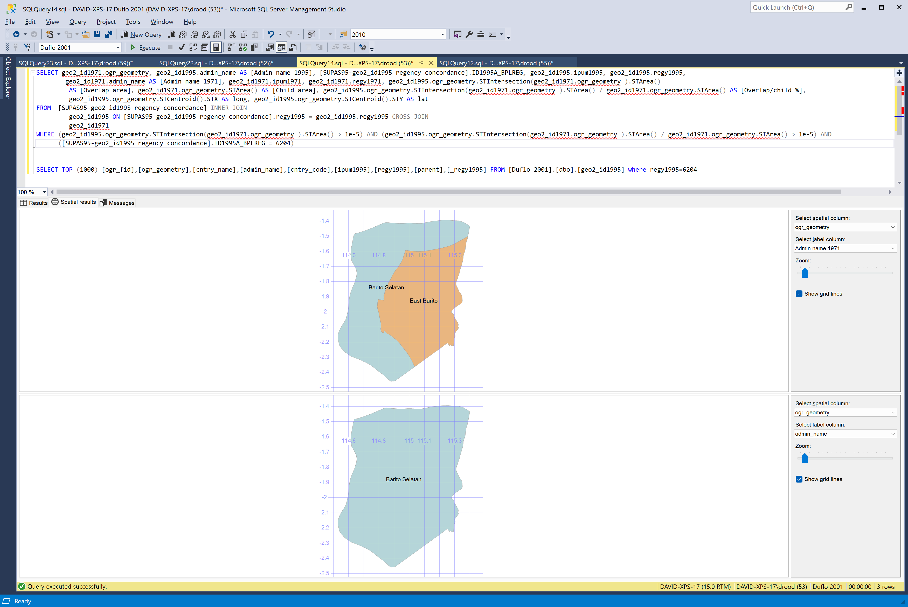
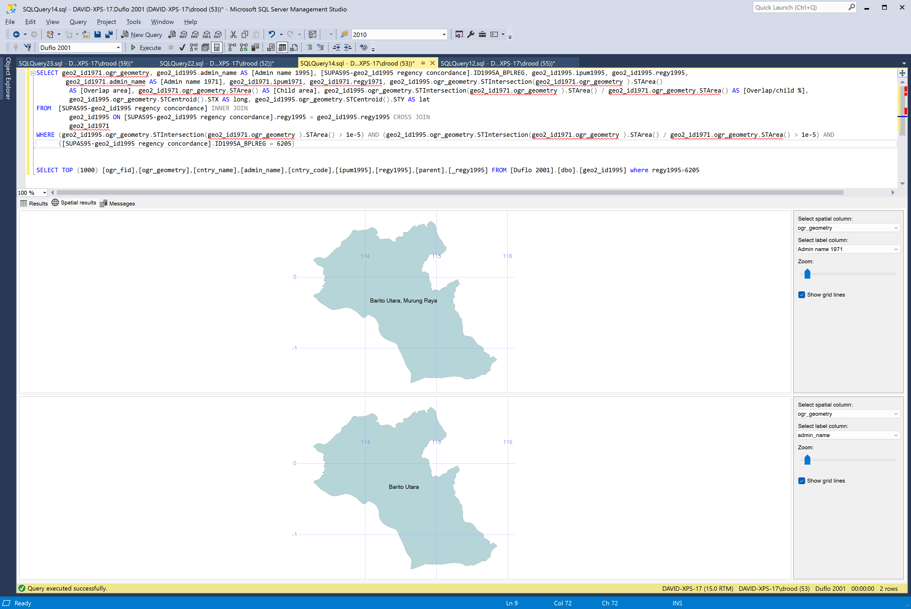
birthpl | Regency name | Province name | m514 | f514 | 514 | total | mtotal | ftotal | m514rural | f514rural | totalrural | m514urban | f514urban | totalurban
1101 | South Aceh | Special region of Aceh | 35248 | 31430 | 66678 | 234785
1102 | Southeast Aceh | Special region of Aceh | 19112 | 17541 | 36653 | 122818
1103 | East Aceh | Special region of Aceh | 46526 | 43037 | 89563 | 303815
1104 | Central Aceh | Special region of Aceh | 15169 | 14412 | 29581 | 105043
1105 | West Aceh | Special region of Aceh | 31826 | 28457 | 60283 | 225111
1106 | Great Aceh | Special region of Aceh | 24751 | 23022 | 47773 | 181801
1107 | Pidie | Special region of Aceh | 38305 | 35034 | 73339 | 293397
1108 | Aceh Utara | Special region of Aceh | 67318 | 62224 | 129542 | 470855
1171 | Banda Aceh | Special region of Aceh | 7071 | 6519 | 13590 | 53668
1172 | Sabang | Special region of Aceh | 2255 | 2144 | 4399 | 17625
1201 | Nias | North Sumatra | 56515 | 49741 | 106256 | 372483 | 190282 | 182201
1202 | South Tapanuli | North Sumatra | 98779 | 92263 | 191042 | 626931 | 313046 | 313885
1203 | Central Tapanuli | North Sumatra | 20426 | 19170 | 39596 | 135857 | 68292 | 67565
1204 | North Tapanuli | North Sumatra | 100613 | 91662 | 192275 | 623530 | 304630 | 318900
1205 | Labuhan Batu | North Sumatra | 56629 | 52889 | 109518 | 360153 | 184028 | 176125
1206 | Asahan | North Sumatra | 93264 | 88458 | 181722 | 593584 | 300416 | 293168
1207 | Simalungun | North Sumatra | 104880 | 99629 | 204509 | 662257 | 332246 | 330011
1208 | Dairi | North Sumatra | 28878 | 26535 | 55413 | 184829 | 92919 | 91910
1209 | Karo | North Sumatra | 26563 | 24852 | 51415 | 182156 | 90064 | 92092
1210 | Deli Serdang | North Sumatra | 226606 | 214335 | 440941 | 1430637 | 726915 | 703722
1211 | Langkat | North Sumatra | 82341 | 76997 | 159338 | 519459 | 265910 | 253549
1271 | Sibolga | North Sumatra | 6218 | 5775 | 11993 | 42223 | 21594 | 20629
1272 | Tanjung Balai | North Sumatra | 4821 | 4786 | 9607 | 33604 | 16701 | 16903
1273 | Pematang Siantar | North Sumatra | 19221 | 18155 | 37376 | 129232 | 65581 | 63651
1274 | Tebing Tinggi | North Sumatra | 4324 | 4208 | 8532 | 30314 | 15175 | 15139
1275 | Medan | North Sumatra | 89923 | 87312 | 177235 | 635562 | 321522 | 314040
1276 | Binjai | North Sumatra | 9013 | 8596 | 17609 | 59882 | 30544 | 29338
1301 | Pesisir Selatan | West Sumatra | 38302 | 34671 | 72973 | 253606 |  |  | 36089 | 32602 | 238413 | 2213 | 2069 | 15193
1302 | Solok, regency | West Sumatra | 42448 | 40546 | 82994 | 295398 |  |  | 42448 | 40546 | 295398
1303 | Sawahlunto/Sijunjung | West Sumatra | 23366 | 21197 | 44563 | 161227 |  |  | 22389 | 20322 | 154688 | 977 | 875 | 6539
1304 | Tanah Datar | West Sumatra | 41796 | 39659 | 81455 | 291591 |  |  | 40036 | 37924 | 278977 | 1760 | 1735 | 12614
1305 | Padang Pariaman | West Sumatra | 83685 | 76644 | 160329 | 555250 |  |  | 81045 | 74200 | 538402 | 2640 | 2444 | 16848
1306 | Agam | West Sumatra | 49932 | 47650 | 97582 | 347044 |  |  | 46969 | 44998 | 328370 | 2963 | 2652 | 18674
1307 | Lima Puluh Koto | West Sumatra | 28897 | 26856 | 55753 | 224056 |  |  | 28897 | 26856 | 224056
1308 | Pasaman | West Sumatra | 41163 | 38369 | 79532 | 274256 |  |  | 38263 | 35622 | 254615 | 2900 | 2747 | 19641
1371 | Padang | West Sumatra | 28025 | 26696 | 54721 | 196339 |  |  |  |  |  | 28025 | 26696 | 196339
1372 | Solok, city | West Sumatra | 3496 | 3399 | 6895 | 24771 |  |  |  |  |  | 3496 | 3399 | 24771
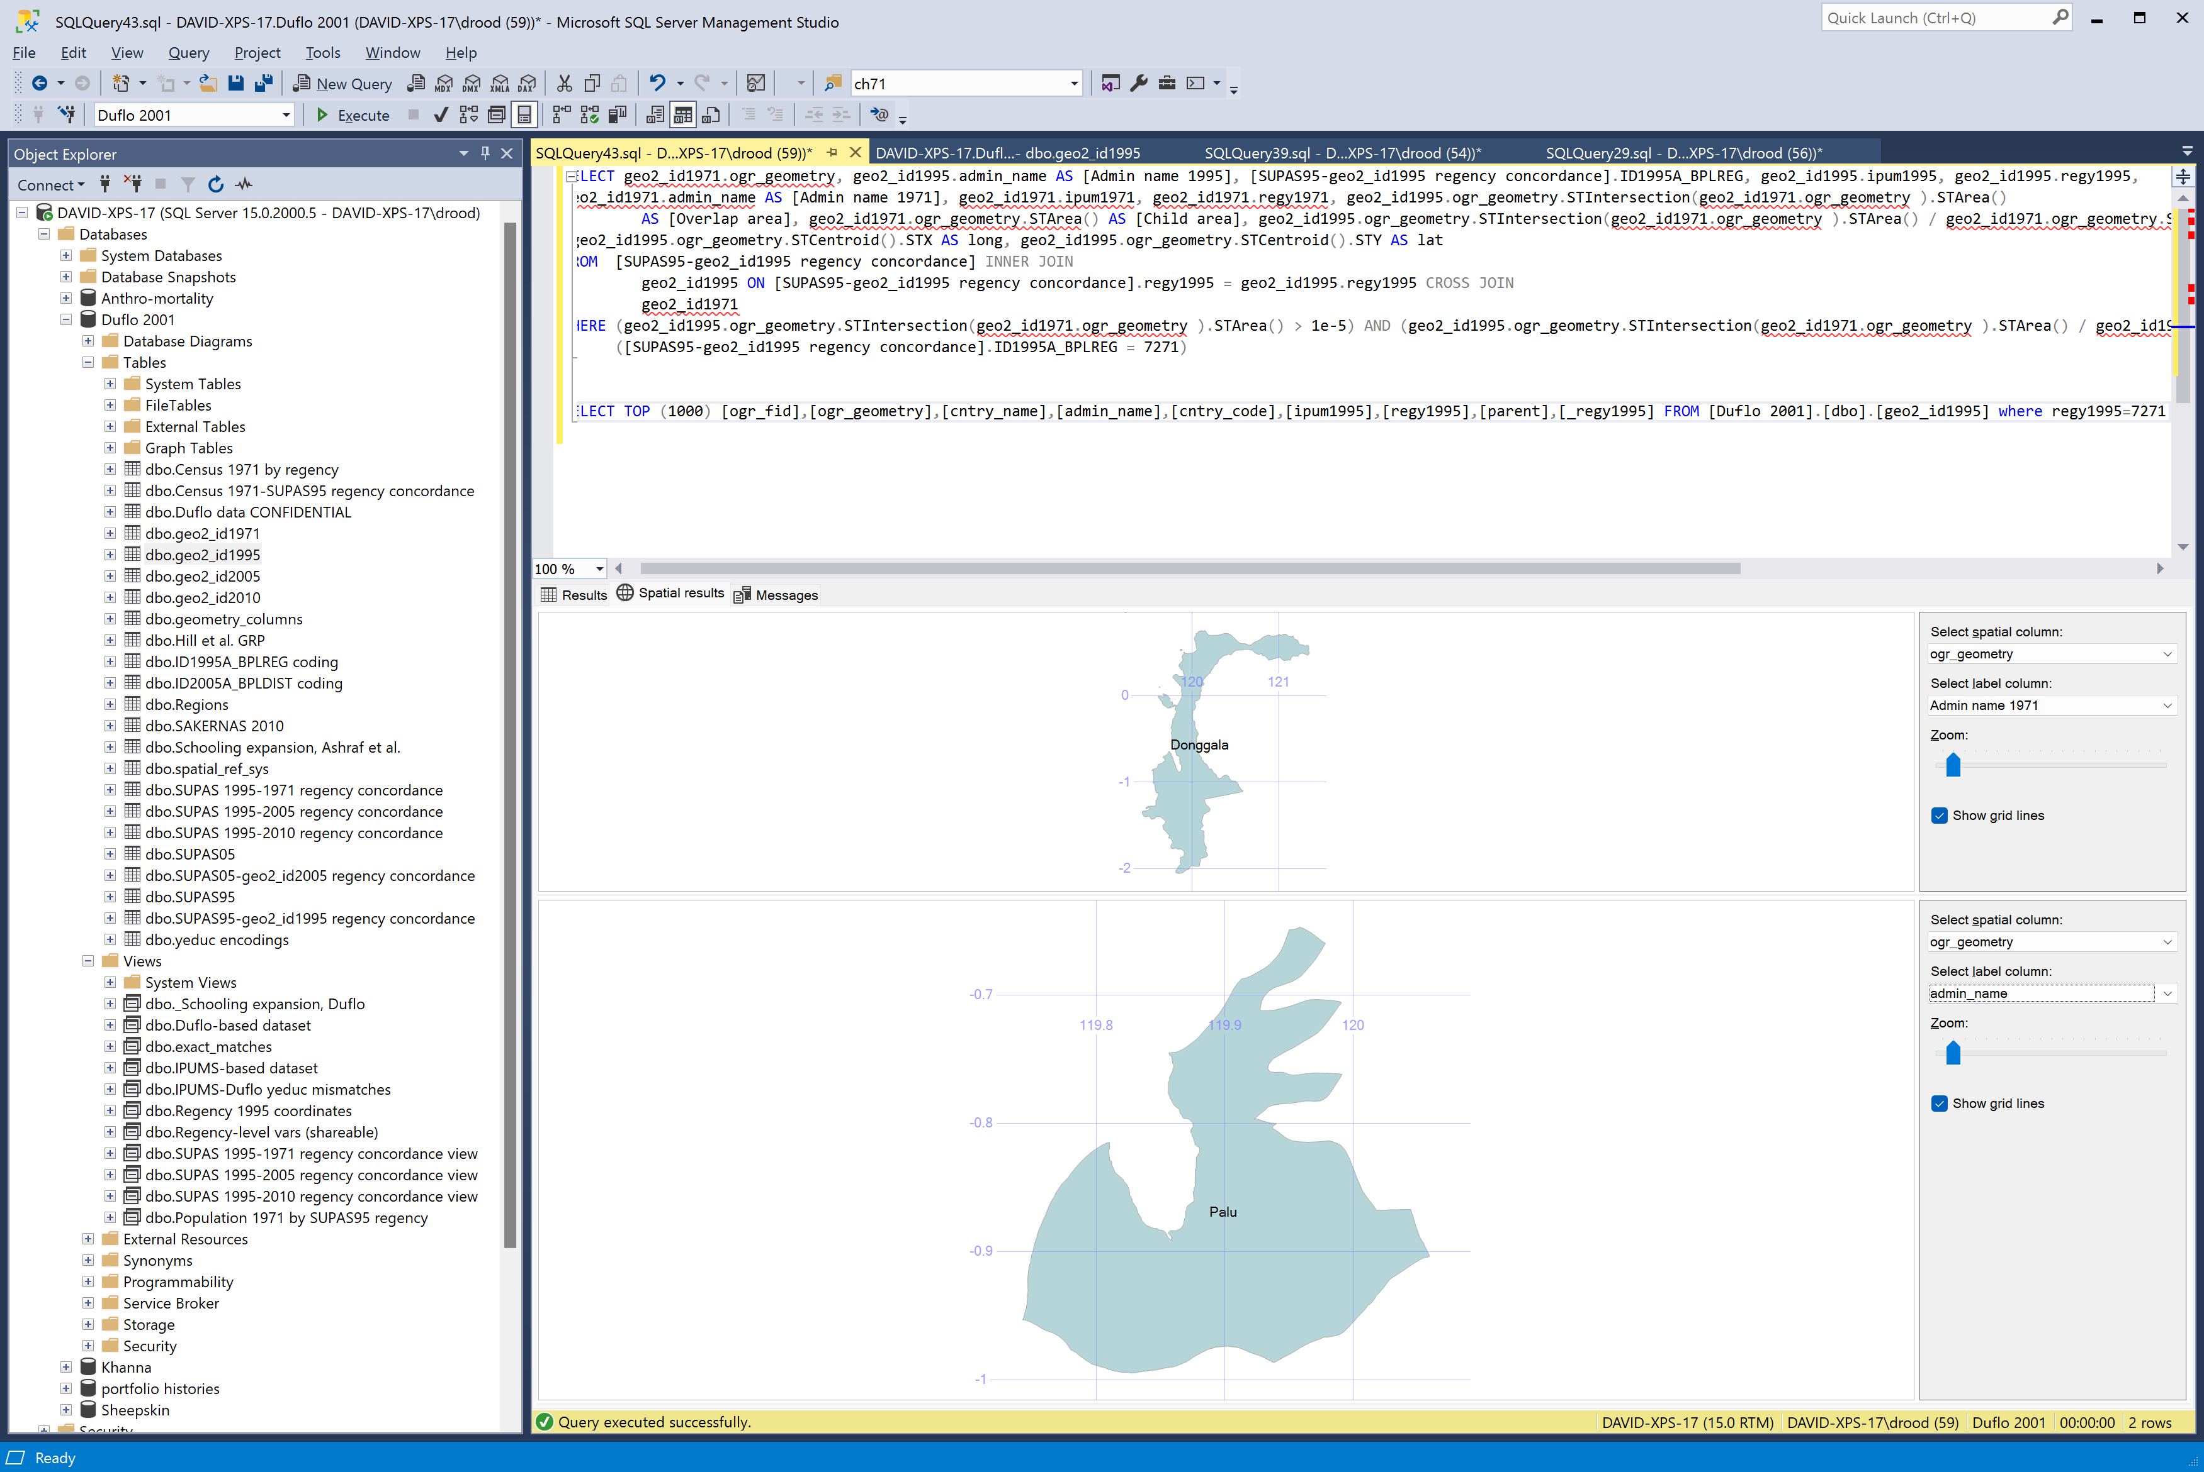
1373 | Sawah Lunto | West Sumatra | 1899 | 1897 | 3796 | 12427 |  |  |  |  |  | 1899 | 1897 | 12427
1374 | Padang Panjang | West Sumatra | 4227 | 4088 | 8315 | 30711 |  |  |  |  |  | 4227 | 4088 | 30711
1375 | Bukittinggi | West Sumatra | 8564 | 8331 | 16895 | 63132 |  |  |  |  |  | 8564 | 8331 | 63132
1376 | Payakumbuh | West Sumatra | 8986 | 8713 | 17699 | 63388 |  |  |  |  |  | 8986 | 8713 | 63388
1401 | Indragiri Hulu | Riau | 30306 | 28739 | 59045 | 197202 | 97642 | 99560
1402 | Indragiri Hilir | Riau | 39648 | 36865 | 76513 | 286028 | 147803 | 138225
1403 | Kepulauan Riau | Riau | 47328 | 44801 | 92129 | 331136 | 172622 | 158514
1404 | Kampar | Riau | 40620 | 38523 | 79143 | 258692 | 129481 | 129211
1405 | Bengkalis | Riau | 62122 | 59142 | 121264 | 423503 | 219900 | 203603
1471 | Pekan Baru | Riau | 21152 | 19939 | 41091 | 145030 | 76580 | 68450
1472 | Batam | Riau
1501 | Kerinci | Jambi | 26894 | 25842 | 52736 | 186615
1502 | Bungo Tebo | Jambi | 21429 | 19297 | 40726 | 143357
1503 | Sarko (Sarolangun Bangko) | Jambi | 23342 | 21775 | 45117 | 160076
1504 | Batang Hari | Jambi | 28157 | 24771 | 52928 | 215496
1505 | Tanjung Jabung | Jambi | 21520 | 19689 | 41209 | 141981
1571 | Jambi | Jambi | 23595 | 21819 | 45414 | 158559
1601 | Ogan Komering Ulu | South Sumatra | 80910 | 73719 | 154629 | 542631
1602 | Ogan Komering Ilir | South Sumatra | 66643 | 62742 | 129385 | 445788
1603 | Muara Enim | South Sumatra | 54332 | 50754 | 105086 | 363769
1604 | Lahat | South Sumatra | 54614 | 51874 | 106488 | 371709
1605 | Musi Rawas | South Sumatra | 38266 | 34381 | 72647 | 252652
1606 | Musi Banyu Asin | South Sumatra | 55318 | 51409 | 106727 | 376753
1607 | Bangka | South Sumatra | 45610 | 42691 | 88301 | 303804
1608 | Belitung | South Sumatra | 18026 | 16807 | 34833 | 128949
1671 | Palembang | South Sumatra | 84577 | 81130 | 165707 | 582961
1672 | Pangkal Pinang | South Sumatra | 11098 | 10828 | 21926 | 74733
1701 | South Bengkulu | Bengkulu | 27712 | 25267 | 52979 | 179554
1702 | Rejang Lebong | Bengkulu | 30299 | 28372 | 58671 | 205136
1703 | North Bengkulu | Bengkulu | 15693 | 13999 | 29692 | 102810
1771 | Bengkulu | Bengkulu | 4696 | 4407 | 9103 | 31866
1801 | South Lampung | Lampung | 164117 | 148974 | 313091 | 1114765
1802 | Central Lampung | Lampung | 152462 | 138050 | 290512 | 998500
1803 | North Lampung | Lampung | 68229 | 62139 | 130368 | 464834
1804 | West Lampung | Lampung
1871 | Bandar Lampung | Lampung | 27741 | 26779 | 54520 | 198986
3171 | South Jakarta | Special capital region of Jakarta | 141896 | 141084 | 282980 | 1054635
3172 | East Jakarta | Special capital region of Jakarta | 110986 | 108299 | 219285 | 805722
3173 | Central Jakarta | Special capital region of Jakarta | 160624 | 159209 | 319833 | 1273813
3174 | West Jakarta | Special capital region of Jakarta | 108697 | 107052 | 215749 | 824190
3175 | North Jakarta | Special capital region of Jakarta | 80627 | 77925 | 158552 | 617649
3201 | Pandeglang | West Java | 85445 | 75272 | 160717 | 572628 | 285727 | 286901
3202 | Lebak | West Java | 82473 | 71089 | 153562 | 546364 | 274070 | 272294
3203 | Bogor, regency | West Java | 248637 | 223504 | 472141 | 1668778 | 841741 | 827037
3204 | Sukabumi, regency | West Java | 179316 | 166200 | 345516 | 1211817 | 604169 | 607648
3205 | Cianjur | West Java | 162911 | 152924 | 315835 | 1125647 | 559648 | 565999
3206 | Bandung, regency | West Java | 279151 | 263684 | 542835 | 1974614 | 976434 | 998180
3207 | Garut | West Java | 173508 | 161089 | 334597 | 1200554 | 586893 | 613661
3208 | Tasikmalaya | West Java | 192834 | 181175 | 374009 | 1313406 | 638282 | 675124
3209 | Ciamis | West Java | 168630 | 157139 | 325769 | 1225689 | 603002 | 622687
3210 | Kuningan | West Java | 91846 | 84671 | 176517 | 658593 | 323425 | 335168
3211 | Cirebon, regency | West Java | 136120 | 121443 | 257563 | 1041688 | 506827 | 534861
3212 | Majalengka | West Java | 96516 | 89508 | 186024 | 765893 | 371280 | 394613
3213 | Sumedang | West Java | 86185 | 80586 | 166771 | 637918 |  |  |  | 323227
3214 | Indramayu | West Java | 128343 | 114683 | 243026 | 985462 |  |  |  | 502335
3215 | Subang | West Java | 118448 | 103175 | 221623 | 898448 |  |  |  | 454418
3216 | Purwakarta | West Java | 52129 | 46895 | 99024 | 371658 |  |  |  | 185774
3217 | Karawang | West Java | 132423 | 116458 | 248881 | 1004261
3218 | Bekasi | West Java | 115655 | 99920 | 215575 | 830721
3219 | Tangerang, regency | West Java | 157949 | 139000 | 296949 | 1066695
3220 | Serang | West Java | 125267 | 107502 | 232769 | 859467
3271 | Bogor, city | West Java | 26558 | 26079 | 52637 | 195882
3272 | Sukabumi, city | West Java | 12976 | 12956 | 25932 | 96242
3273 | Bandung, city | West Java | 160066 | 159205 | 319271 | 1201730
3274 | Cirebon, city | West Java | 22910 | 22782 | 45692 | 178529
3275 | Tangerang, city | West Java
3301 | Cilacap | Central Java | 170779 | 162871 | 333650 | 1187495 | 591088 | 596407
3302 | Banyumas | Central Java | 143380 | 135785 | 279165 | 1043153 | 516062 | 527091
3303 | Purbalingga | Central Java | 77989 | 75300 | 153289 | 586111 | 287310 | 298801
3304 | Banjarnegara | Central Java | 81828 | 78810 | 160638 | 591655 | 292352 | 299303
3305 | Kebumen | Central Java | 138233 | 133768 | 272001 | 935024 | 458919 | 476105
3306 | Purworejo | Central Java | 99044 | 93427 | 192471 | 659088 | 322491 | 336597
3307 | Wonosobo | Central Java | 70148 | 69536 | 139684 | 517216 | 256222 | 260994
3308 | Magelang, regency | Central Java | 110502 | 108432 | 218934 | 830199 | 408789 | 421410
3309 | Boyolali | Central Java | 101661 | 101039 | 202700 | 708631 | 345917 | 362714
3310 | Klaten | Central Java | 133004 | 132090 | 265094 | 957496 | 462304 | 495192
3311 | Sukoharjo | Central Java | 71214 | 69622 | 140836 | 493712 | 242051 | 251661
3312 | Wonogiri | Central Java | 131422 | 122914 | 254336 | 893060 | 440338 | 452722
3313 | Karanganyar | Central Java | 73484 | 71399 | 144883 | 501975 | 247834 | 254141
3314 | Sragen | Central Java | 95389 | 89898 | 185287 | 642007 | 317168 | 324839
3315 | Grobogan | Central Java | 132129 | 123510 | 255639 | 882868 | 436580 | 446288
3316 | Blora | Central Java | 91193 | 84252 | 175445 | 620621 | 306071 | 314550
3317 | Rembang | Central Java | 51864 | 47469 | 99333 | 367021 | 181119 | 185902
3318 | Pati | Central Java | 124258 | 114993 | 239251 | 842488 | 413664 | 428824
3319 | Kudus | Central Java | 62481 | 60289 | 122770 | 449432 | 217919 | 231513
3320 | Jepara | Central Java | 83267 | 76934 | 160201 | 591564 | 291508 | 300056
3321 | Demak | Central Java | 89010 | 83725 | 172735 | 594539 | 293586 | 300953
3322 | Semarang, regency | Central Java | 96113 | 95568 | 191681 | 677274
3323 | Temanggung | Central Java | 65259 | 64974 | 130233 | 471637
3324 | Kendal | Central Java | 89964 | 88848 | 178812 | 650935
3325 | Batang | Central Java | 61000 | 57302 | 118302 | 455101 | 223456 | 231645
3326 | Pekalongan, regency | Central Java | 74079 | 69133 | 143212 | 554119 | 270720 | 283399
3327 | Pemalang | Central Java | 107532 | 100336 | 207868 | 804833 | 387211 | 417622
3328 | Tegal, regency | Central Java | 116354 | 108816 | 225170 | 865641 | 412298 | 453343
3329 | Brebes | Central Java | 139469 | 127556 | 267025 | 1043883 | 502716 | 541167
3371 | Magelang, city | Central Java | 14038 | 13781 | 27819 | 110308 | 53480 | 56828
3372 | Surakarta | Central Java | 51294 | 51962 | 103256 | 414285 | 197624 | 216661
3373 | Salatiga | Central Java | 9293 | 9181 | 18474 | 69831 | 34278 | 35553
3374 | Semarang, city | Central Java | 82616 | 82070 | 164686 | 646590 | 316995 | 329595
3375 | Pekalongan, city | Central Java | 13751 | 13162 | 26913 | 111537 | 54048 | 57489
3376 | Tegal, city | Central Java | 13591 | 12922 | 26513 | 105752 | 51580 | 54172
3401 | Kulon Progo | Special region of Yogyakarta | 52660 | 50891 | 103551 | 370646
3402 | Bantul | Special region of Yogyakarta | 80656 | 78778 | 159434 | 568636
3403 | Gunung Kidul | Special region of Yogyakarta | 92419 | 87617 | 180036 | 620145
3404 | Sleman | Special region of Yogyakarta | 81131 | 78794 | 159925 | 588304
3471 | Yogyakarta | Special region of Yogyakarta | 41082 | 39913 | 80995 | 342267
3501 | Pacitan | East Java | 71887 | 66564 | 138451 | 476562
3502 | Ponorogo | East Java | 104126 | 96717 | 200843 | 738756
3503 | Trenggalek | East Java | 77311 | 71718 | 149029 | 521279
3504 | Tulungagung | East Java | 104200 | 99126 | 203326 | 759850
3505 | Blitar, regency | East Java | 134222 | 130271 | 264493 | 950802
3506 | Kediri, regency | East Java | 150157 | 144796 | 294953 | 1080695
3507 | Malang, regency | East Java | 237684 | 224915 | 462599 | 1767055
3508 | Lumajang | East Java | 102231 | 93841 | 196072 | 786628
3509 | Jember | East Java | 214467 | 197103 | 411570 | 1706271
3510 | Banyuwangi | East Java | 174232 | 164397 | 338629 | 1304367
3511 | Bondowoso | East Java | 64236 | 55962 | 120198 | 554229
3512 | Situbondo | East Java | 54752 | 46828 | 101580 | 470107
3513 | Probolinggo, regency | East Java | 96189 | 85659 | 181848 | 756375
3514 | Pasuruan, regency | East Java | 124512 | 117926 | 242438 | 872792
3515 | Sidoarjo | East Java | 96282 | 93283 | 189565 | 667639
3516 | Mojokerto, regency | East Java | 84569 | 80006 | 164575 | 596185
3517 | Jombang | East Java | 111995 | 105290 | 217285 | 812485
3518 | Nganjuk | East Java | 107435 | 102438 | 209873 | 774590
3519 | Madiun, regency | East Java | 84098 | 79418 | 163516 | 583934
3520 | Magetan | East Java | 74535 | 71477 | 146012 | 557081
3521 | Ngawi | East Java | 100258 | 94932 | 195190 | 694079
3522 | Bojonegoro | East Java | 122568 | 111332 | 233900 | 862428
3523 | Tuban | East Java | 104416 | 93927 | 198343 | 748657
3524 | Lamongan | East Java | 125771 | 115224 | 240995 | 909038
3525 | Gresik | East Java | 83507 | 77598 | 161105 | 610944
3526 | Bangkalan | East Java | 89585 | 83291 | 172876 | 631455 | 296957 | 334498
3527 | Sampang | East Java | 78634 | 74365 | 152999 | 535615 | 251247 | 284368
3528 | Pamekasan | East Java | 63591 | 58366 | 121957 | 455362 | 218288 | 237074
3529 | Sumenep | East Java | 93674 | 80887 | 174561 | 762616 | 364392 | 398224
3571 | Kediri, city | East Java | 23651 | 23003 | 46654 | 178865 | 87576 | 91289
3572 | Blitar, city | East Java | 8626 | 8640 | 17266 | 67856 | 32410 | 35446
3573 | Malang, city | East Java | 51875 | 51988 | 103863 | 422428 | 204047 | 218381
3574 | Probolinggo, city | East Java | 10653 | 10133 | 20786 | 82008 | 39934 | 42074
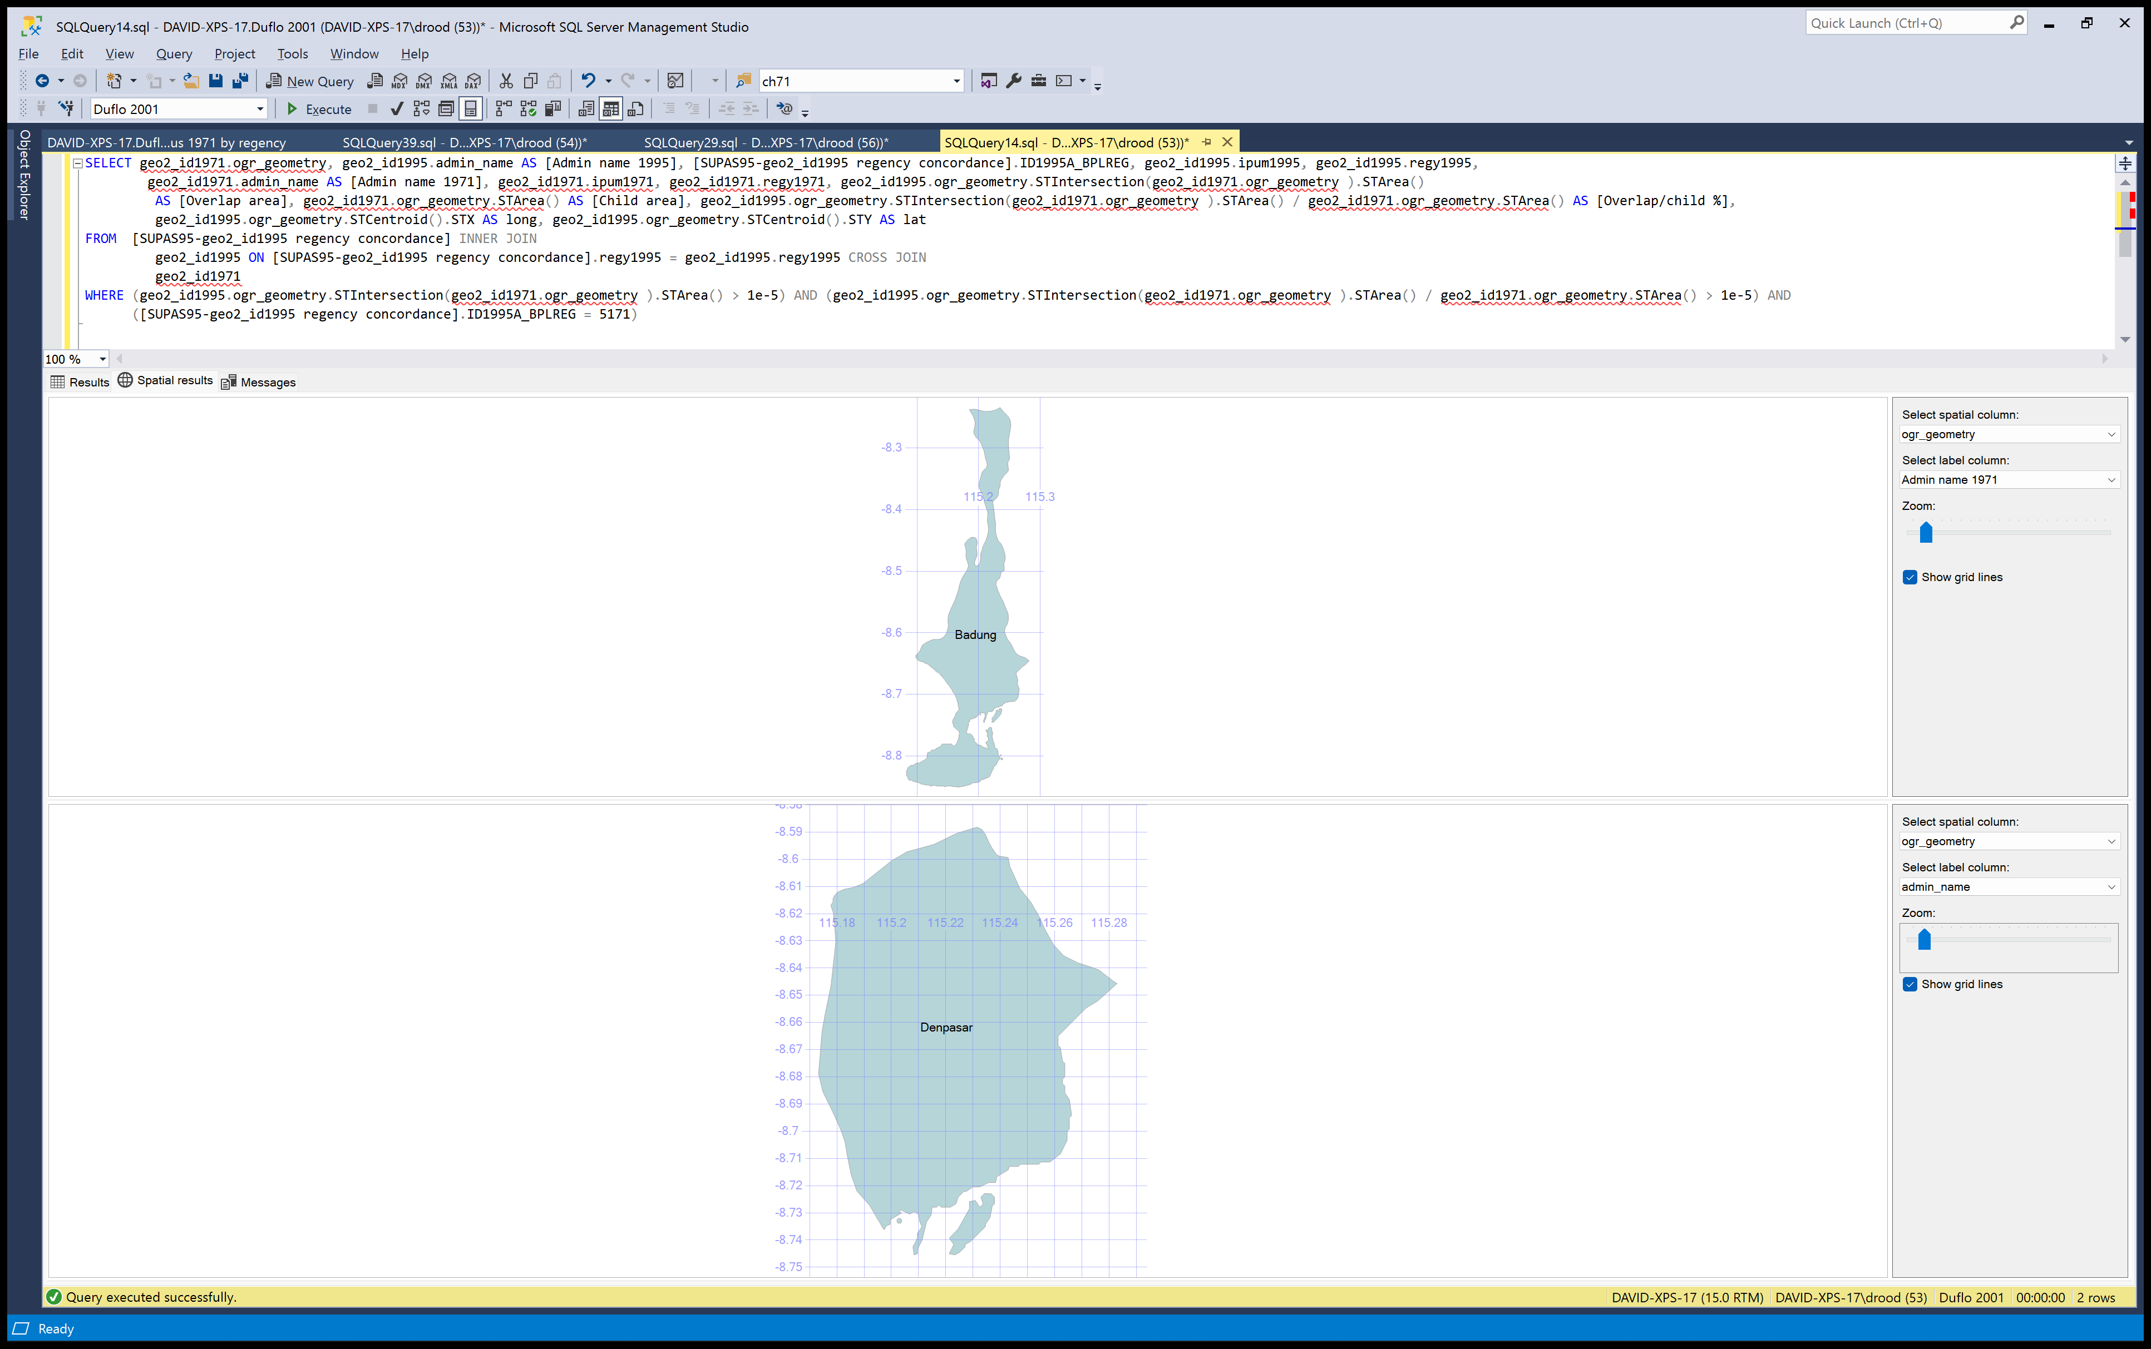
3575 | Pasuruan, city | East Java | 9574 | 9575 | 19149 | 75266 | 36197 | 39069
3576 | Mojokerto, city | East Java | 7797 | 7543 | 15340 | 60013 | 28775 | 31238
3577 | Madiun, city | East Java | 17652 | 17804 | 35456 | 136147 | 64902 | 71245
3578 | Surabaya | East Java | 185190 | 186190 | 371380 | 1556255 | 759439 | 796816
5101 | Jembrana | Bali | 23793 | 21406 | 45199 | 172006
5102 | Tabanan | Bali | 41285 | 37388 | 78673 | 328064
5103 | Badung | Bali | 50116 | 46376 | 96492 | 400396
5104 | Gianyar | Bali | 33455 | 30125 | 63580 | 271592
5105 | Klungkung | Bali | 17882 | 16565 | 34447 | 139307
5106 | Bangli | Bali | 17147 | 15788 | 32935 | 138327
5107 | Karang Asem | Bali | 33538 | 29993 | 63531 | 267352
5108 | Buleleng | Bali | 52661 | 48337 | 100998 | 403294
5171 | Denpasar | Bali
5201 | West Lombok | West Nusa Tenggara | 63679 | 58595 | 122274 | 509812
5202 | Central Lombok | West Nusa Tenggara | 64647 | 61662 | 126309 | 476986
5203 | East Lombok | West Nusa Tenggara | 81953 | 74909 | 156862 | 594395
5204 | Sumbawa | West Nusa Tenggara | 34188 | 30781 | 64969 | 243577
5205 | Dompu | West Nusa Tenggara | 10585 | 9409 | 19994 | 74150
5206 | Bima | West Nusa Tenggara | 43922 | 40133 | 84055 | 303413
5271 | Mataram | West Nusa Tenggara
5301 | West Sumba | East Nusa Tenggara | 25693 | 22100 | 47793 | 187676
5302 | East Sumba | East Nusa Tenggara | 12653 | 11109 | 23762 | 103519
5303 | Kupang, regency | East Nusa Tenggara | 42144 | 38300 | 80444 | 314836
5304 | South Central Timor | East Nusa Tenggara | 36786 | 32381 | 69167 | 240791
5305 | North Central Timor | East Nusa Tenggara | 16674 | 14899 | 31573 | 117259
5306 | Belu | East Nusa Tenggara | 20733 | 19008 | 39741 | 153164
5307 | Alor | East Nusa Tenggara | 16887 | 15415 | 32302 | 114395
5308 | East Flores | East Nusa Tenggara | 31590 | 29069 | 60659 | 229797
5309 | Sikka | East Nusa Tenggara | 25893 | 23671 | 49564 | 189871
5310 | Ende | East Nusa Tenggara | 23724 | 21908 | 45632 | 179331
5311 | Ngada | East Nusa Tenggara | 19138 | 17885 | 37023 | 143763
5312 | Manggarai | East Nusa Tenggara | 48054 | 44172 | 92226 | 320543
6101 | Sambas | West Kalimantan | 74098 | 70767 | 144865 | 532572
6102 | Pontianak, regency | West Kalimantan | 64788 | 59137 | 123925 | 451680
6103 | Sanggau | West Kalimantan | 39592 | 36984 | 76576 | 281034
6104 | Ketapang | West Kalimantan | 29247 | 26172 | 55419 | 200524 |  |  |  |  |  |  |  |  | SELECT geo2_id1971.ogr_geometry, geo2_id1995.admin_name AS [Admin name 1995], [SUPAS95-geo2_id1995 regency concordance].ID1995A_BPLREG, geo2_id1995.ipum1995, geo2_id1995.regy1995,
6105 | Sintang | West Kalimantan | 31457 | 28784 | 60241 | 224675 |  |  |  |  |  |  |  |  | geo2_id1971.admin_name AS [Admin name 1971], geo2_id1971.ipum1971, geo2_id1971.regy1971, geo2_id1995.ogr_geometry.STIntersection(geo2_id1971.ogr_geometry ).STArea()
6106 | Kapuas Hulu | West Kalimantan | 16075 | 15668 | 31743 | 111896 |  |  |  |  |  |  |  |  | AS [Overlap area], geo2_id1971.ogr_geometry.STArea() AS [Child area], geo2_id1995.ogr_geometry.STIntersection(geo2_id1971.ogr_geometry ).STArea() / geo2_id1971.ogr_geometry.STArea() AS [Overlap/child %],
6171 | Pontianak, city | West Kalimantan | 30439 | 28739 | 59178 | 217555 |  |  |  |  |  |  |  |  | geo2_id1995.ogr_geometry.STCentroid().STX AS long, geo2_id1995.ogr_geometry.STCentroid().STY AS lat
6201 | Kotawaringin Barat | Central Kalimantan | 9622 | 8916 | 18538 | 68100 |  |  |  |  |  |  |  |  | FROM [SUPAS95-geo2_id1995 regency concordance] INNER JOIN
6202 | Kotawaringin Timur | Central Kalimantan | 19727 | 18395 | 38122 | 129240 |  |  |  |  |  |  |  |  | geo2_id1995 ON [SUPAS95-geo2_id1995 regency concordance].regy1995 = geo2_id1995.regy1995 CROSS JOIN
6212 | Katingan | Central Kalimantan | 7284 | 6888 | 14172 | 49313 |  |  |  |  |  |  |  |  | geo2_id1971
6203 | Kapuas | Central Kalimantan | 29400 | 27476 | 56876 | 194588 |  |  |  |  |  |  |  |  | WHERE (geo2_id1995.ogr_geometry.STIntersection(geo2_id1971.ogr_geometry ).STArea() > 1e-5) AND (geo2_id1995.ogr_geometry.STIntersection(geo2_id1971.ogr_geometry ).STArea() / geo2_id1971.ogr_geometry.STArea() > 1e-5) AND
6213 | Kakajan Hulu | Central Kalimantan | 6699 | 6540 | 13239 | 45712 |  |  |  |  |  |  |  |  | ([SUPAS95-geo2_id1995 regency concordance].ID1995A_BPLREG = 6205)
6204 | Barito Selatan | Central Kalimantan | 7702 | 7546 | 15248 | 52302
6214 | Barito Timur | Central Kalimantan | 5530 | 5331 | 10861 | 38553
6205 | Barito Utara | Central Kalimantan | 6714 | 6308 | 13022 | 46015 |  |  |  |  |  |  |  |  | SELECT TOP (1000) [ogr_fid],[ogr_geometry],[cntry_name],[admin_name],[cntry_code],[ipum1995],[regy1995],[parent],[_regy1995] FROM [Duflo 2001].[dbo].[geo2_id1995] where regy1995=6205
6215 | Murung Raja | Central Kalimantan | 7334 | 6778 | 14112 | 48634
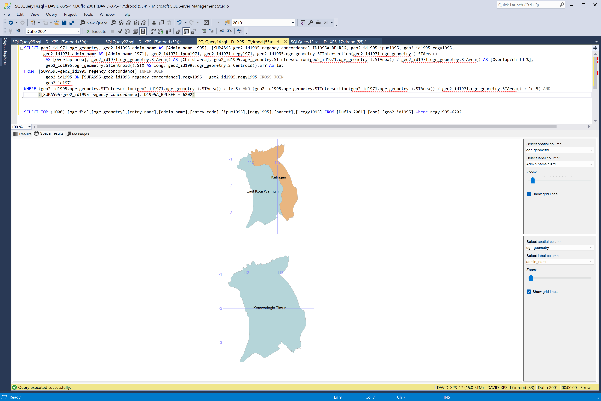
6271 | Palangka Raya | Central Kalimantan | 3506 | 3366 | 6872 | 27132
6301 | Tanah Laut | South Kalimantan | 11687 | 11231 | 22918 | 77456
6302 | Kota Baru | South Kalimantan | 20542 | 18573 | 39115 | 145197
6303 | Banjar | South Kalimantan | 40849 | 39049 | 79898 | 285037
6304 | Barito Kuala | South Kalimantan | 19598 | 18061 | 37659 | 128089
6305 | Tapin | South Kalimantan | 11884 | 11155 | 23039 | 84267
6306 | Hulu Sungai Selatan | South Kalimantan | 22597 | 22014 | 44611 | 165502
6307 | Hulu Sungai Tengah | South Kalimantan | 28313 | 27800 | 56113 | 195989
6308 | Hulu Sungai Utara | South Kalimantan | 30918 | 29380 | 60298 | 220923
6309 | Tabalong | South Kalimantan | 16403 | 15632 | 32035 | 114972
6371 | Banjarmasin | South Kalimantan | 39614 | 38458 | 78072 | 281673
6401 | Pasir | East Kalimantan | 8368 | 7432 | 15800 | 57030
6402 | Kutai | East Kalimantan | 33496 | 29846 | 63342 | 250492
6403 | Berau | East Kalimantan | 4271 | 3936 | 8207 | 31954
6404 | Bulongan | East Kalimantan | 16677 | 15246 | 31923 | 119199
6471 | Balikpapan | East Kalimantan | 19822 | 18809 | 38631 | 137340
6472 | Samarinda | East Kalimantan | 19097 | 17869 | 36966 | 137521
7101 | Gorontalo, regency | North Sulawesi | 60458 | 56309 | 116767 | 408519
7102 | Bolaang Mengondow | North Sulawesi | 31319 | 28653 | 59972 | 211359
7103 | Minahasa | North Sulawesi | 85009 | 78534 | 163543 | 616878
7104 | Sangihe Talaud | North Sulawesi | 34833 | 31521 | 66354 | 229395
7171 | Gorontalo, city | North Sulawesi | 11485 | 11279 | 22764 | 82320
7172 | Manado | North Sulawesi | 22374 | 20607 | 42981 | 169684
7173 | Bitung | North Sulawesi
7201 | Banggai | Central Sulawesi | 25780 | 23230 | 49010 | 181698
7202 | Poso | Central Sulawesi | 32292 | 28986 | 61278 | 212557
7203 | Donggala | Central Sulawesi | 55906 | 50036 | 105942 | 398092
7204 | Toli-Toli | Central Sulawesi | 16368 | 14138 | 30506 | 121315
7301 | Selayar | South Sulawesi | 11524 | 10256 | 21780 | 92342
7302 | Bulukumba | South Sulawesi | 36610 | 32462 | 69072 | 260841
7303 | Bantaeng | South Sulawesi | 12002 | 10783 | 22785 | 89306
7304 | Jeneponto | South Sulawesi | 28568 | 25046 | 53614 | 200605
7305 | Takalar | South Sulawesi | 21462 | 18628 | 40090 | 152553
7306 | Gowa | South Sulawesi | 55570 | 49911 | 105481 | 385616
7307 | Sinjai | South Sulawesi | 21500 | 18631 | 40131 | 149414
7311 | Bone | South Sulawesi | 80219 | 7041 | 87260 | 596943
7308 | Maros | South Sulawesi | 28927 | 25605 | 54532 | 197424
7309 | Pangkajene Kepulauan | South Sulawesi | 28669 | 24917 | 53586 | 205169
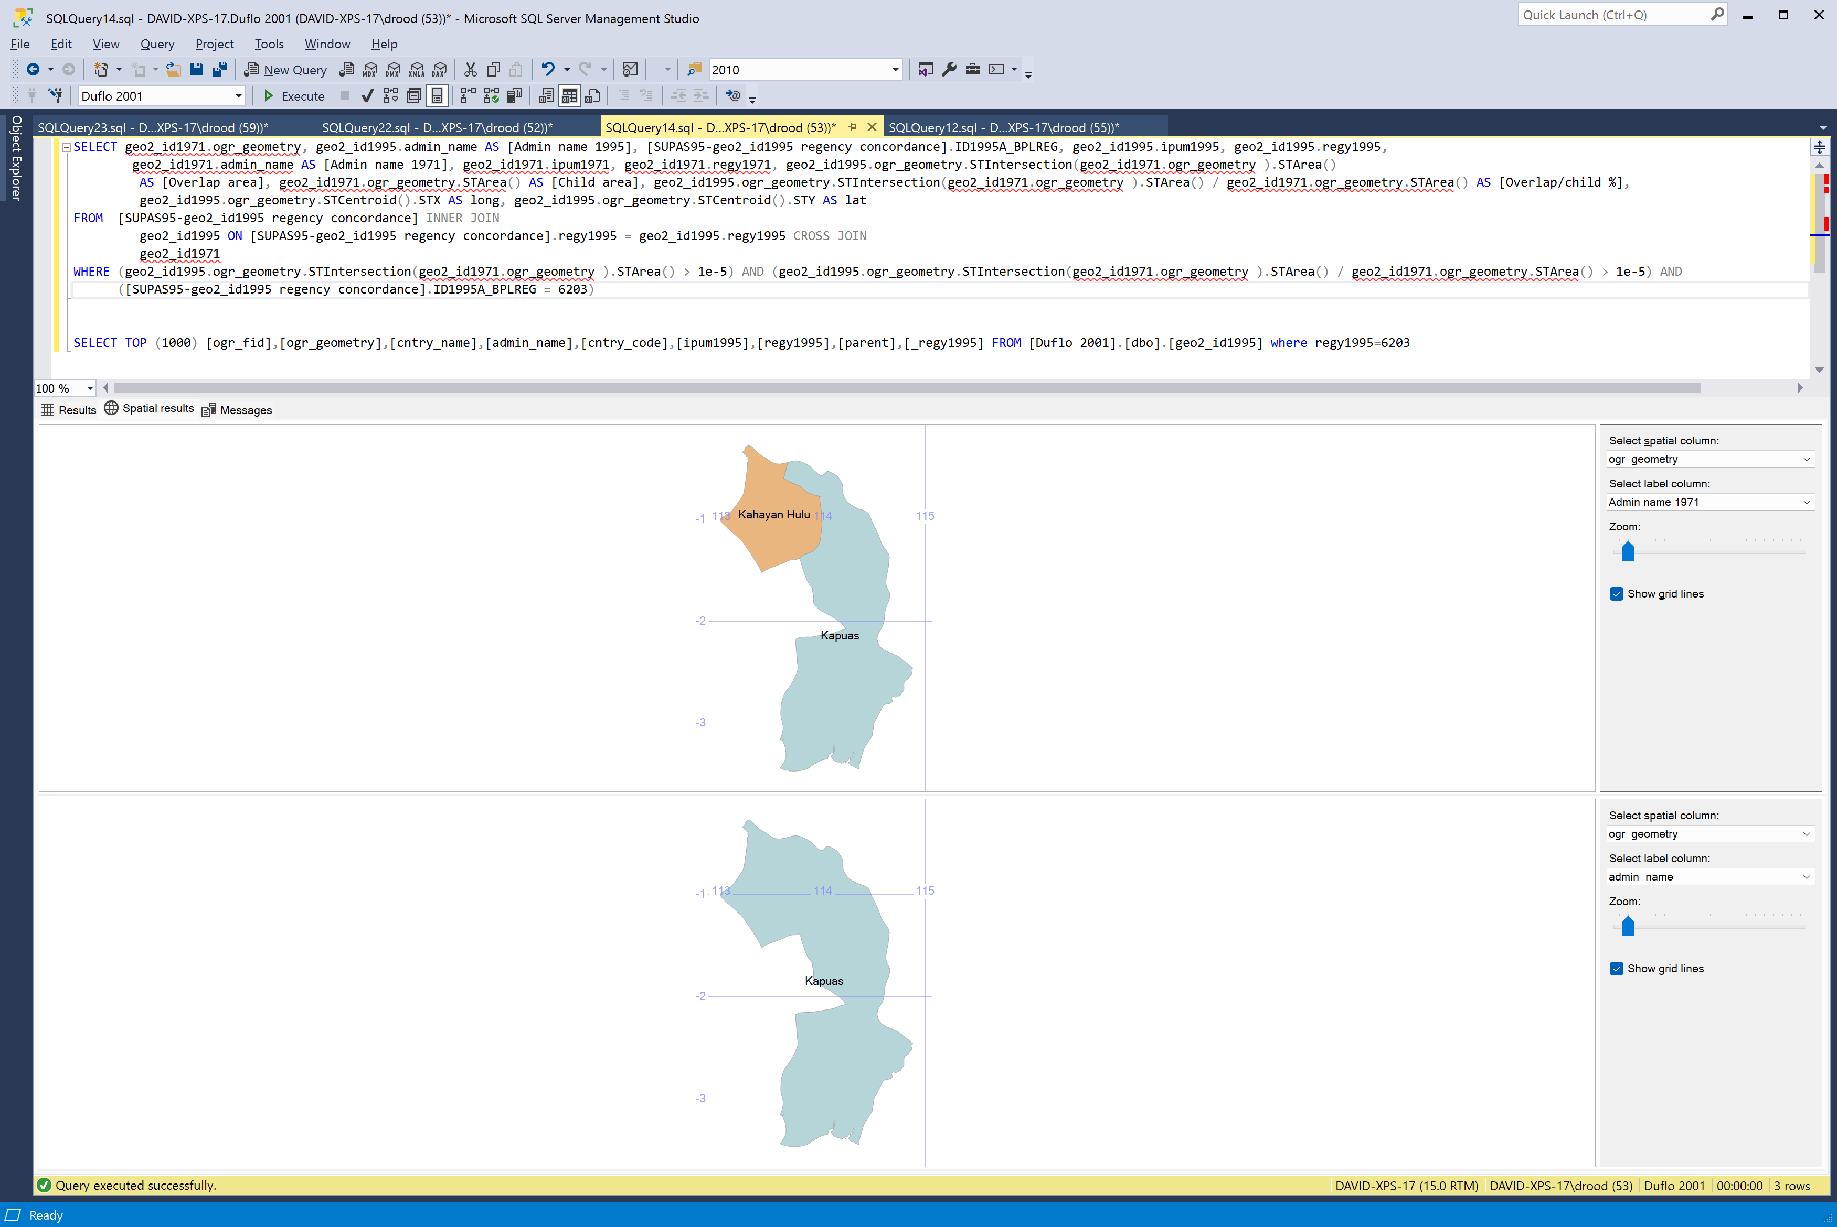
7310 | Barru | South Sulawesi | 18059 | 16469 | 34528 | 132718
7312 | Soppeng | South Sulawesi | 29865 | 26367 | 56232 | 230625
7313 | Wajo | South Sulawesi | 44682 | 39999 | 84681 | 322225
7314 | Sidenreng Rappang | South Sulawesi | 23563 | 21694 | 45257 | 181588
7315 | Pinrang | South Sulawesi | 34821 | 32514 | 67335 | 258214
7316 | Enrekang | South Sulawesi | 17580 | 15811 | 33391 | 121140
7317 | Luwu | South Sulawesi | 42941 | 38239 | 81180 | 326062
7318 | Tana Toraja | South Sulawesi | 46953 | 41895 | 88848 | 316986
7319 | Polewali Mamasa | South Sulawesi | 44201 | 38650 | 82851 | 313559
7320 | Majene | South Sulawesi | 10440 | 9362 | 19802 | 78925
7321 | Mamuju | South Sulawesi | 9531 | 8278 | 17809 | 69668
7371 | Ujung Pandang | South Sulawesi | 54699 | 52535 | 107234 | 434766
7372 | Pare-Pare | South Sulawesi | 9590 | 9088 | 18678 | 72538
7401 | Buton | Southeast Sulawesi | 44591 | 40466 | 85057 | 300434
7402 | Muna | Southeast Sulawesi | 23538 | 22029 | 45567 | 154024
7403 | Kendari, regency | Southeast Sulawesi | 27939 | 24565 | 52504 | 189968
7404 | Kolaka | Southeast Sulawesi | 9738 | 8232 | 17970 | 69694
8101 | Maluku Tenggara | Maluku | 37255 | 34849 | 72104 | 254134
8102 | Maluku Tengah | Maluku | 56131 | 49358 | 105489 | 378870
8104 | Halmahera Tengah | Maluku | 10118 | 8723 | 18841 | 69602
8103 | Maluku Utara | Maluku | 43991 | 37442 | 81433 | 306703
8171 | Ambon | Maluku | 10275 | 9395 | 19670 | 79636
8201 | Merauke | Irian Jaya | 22070 | 19003 | 41073 | 160727
8202 | Jayawijaya | Irian Jaya | 24260 | 19482 | 43742 | 174872
8203 | Jayapura, regency | Irian Jaya | 13756 | 11769 | 25525 | 100753
8204 | Nabire | Irian Jaya | 24976 | 20610 | 45586 | 155483
8205 | Fak-Fak | Irian Jaya | 7566 | 6703 | 14269 | 50907
8206 | Sorong, regency | Irian Jaya | 15726 | 13145 | 28871 | 106713
8207 | Manokwari | Irian Jaya | 9237 | 7481 | 16718 | 63837
8208 | Yapen Waropen | Irian Jaya | 8106 | 7314 | 15420 | 50888
8209 | Biak Numfor | Irian Jaya | 9689 | 8655 | 18344 | 59260
8271 | Jayapura, city | Irian Jaya

